Sheet1
Core Effect (with Alchemist prefix 25% effect, Enkindling perfect 70% roll and specified tree flask effect) |  |  |  |  |  |  |  | Flask Effect Base | 100.00%
Quicksilver | Movespeed | 40.00% | 82.00% |  |  |  | Universally good. | Enkindling | 70.00%
Bismuth | All Ele Res | 35.00% | 71.75% |  |  |  | Universally good. Far better than it looks. | Alchemist’s | 25.00%
Amethyst | Chaos Res | 35.00% | 71.75% |  |  |  | Solid, unspectacular | Tree | 10.00%
Ruby | Fire Res | 50.00% | 102.50% | Less Fire Damage | 20.00% | 41.00% | Niche. Huge defense, huge opportunity cost
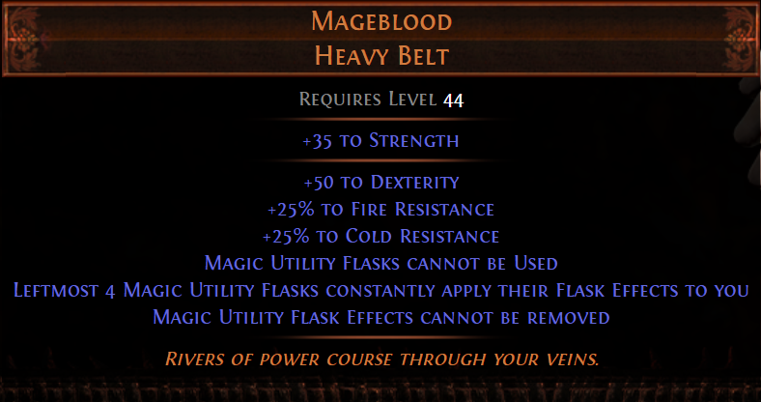
Sapphire | Cold Res | 50.00% | 102.50% | Less Cold Damage | 20.00% | 41.00% | Niche. Huge defense, huge opportunity cost |  | 205.00%
Topaz | Elec Res | 50.00% | 102.50% | Less Elec Damage | 20.00% | 41.00% | Niche. Huge defense, huge opportunity cost
Gold | Rarity | 30.00% | 61.50% |  |  |  | Bad but not worthless
Corundum | Stun Thresh | 30.00% | 61.50% |  |  |  | FAR better than it looks. 75% of this stat good
Diamond | Crit Chance | 100.00% | 205.00% |  |  |  | A few power charges.
Granite | Armor | 1500 | 3075 |  |  |  | Stacks high. Very good. Iron Reflexes Molten Shell
Jade | Evasion | 1500 | 3075 |  |  |  | Stacks high. Very good. Iron Reflexes Molten Shell
Sulphur | Damage | 40.00% | 82.00% |  |  |  | Opportunity cost too high except for hard damage types to scale
Basalt | % more Arm | 20.00% | 41.00% |  |  |  | Stacks high. Very good. Iron Reflexes Molten Shell
Stibnite | % more Ev | 20.00% | 41.00% |  |  |  | Stacks high. Very good. Iron Reflexes Molten Shell

 |  |  |  |  |  |  | Not sure (3.16) how realistic 30% flask effect on tree is.
 |  |  |  |  |  |  | Support Mageblood with Maraketh timeless jewel.
 |  |  |  |  |  |  | 4% chance to transform any specific notable into
Suffix |  |  |  |  |  |  | "non-unique flasks have 8% increased effect on you"


 | Movespeed | 14.00% | 28.70% |  |  |  | Universally good.
 | Inc Armor | 60.00% | 123.00% |  |  |  | Stacks high. Very good. Iron Reflexes Molten Shell
 | Inc Ev | 60.00% | 123.00% |  |  |  | Stacks high. Very good. Iron Reflexes Molten Shell
 | All Ele Res | 40.00% | 82.00% |  |  |  | Universally good.
 | Crit Chance | 55.00% | 112.75% |  |  |  | A few power charges.
 | Chance to Inflict Ailment | 34.00% | 69.70% |  |  |  | VERY good for niche uses (Zerphi's Heart, esp with chaos explosions).
 | Stun Avoid | 45.00% | 92.25% |  |  |  | Not worth opportunity cost. Can get this elsewhere at this budget
 | Attack speed | 17.00% | 34.85% |  |  |  | Universally good.
 | Cast Speed | 17.00% | 34.85% |  |  |  | Universally good.

 |  | Enkindling Orb Roll Chance
 |  | 50-70% | 5 in 13 | 38.46%
 |  | 69%+ | 10 in 273 | 3.66%
 |  | 70% | 5 in 273 | 1.83%

